Guidelines
Guidelines of DNA amount calculation
1. Compare the intensity of PCR product with specific lane in DNA ladder (e.g. 200 bp)
2. Calculate the weight of PCR product in sample (e.g. 45 µL samples will be submitted)
3. The weight of sample greater than 2 pmol can be used for pyrosequencing run, otherwise it is regarded as sub-optimal.

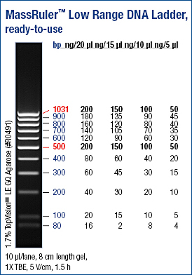

 | Calculator for conversion from microgram to pico mol

 | Size of PCR product (bp): | 90
 | Volume of PCR product (µL): | 30
 | Conc of PCR product (ng/µL): | 4

 | Weight of total PCR product (µg): | 0.12
 | pico mol of the PCR product: | 2.0202020202

 | Online calculator:
 | http://www.promega.com/biomath/calc01.htm

Example 1
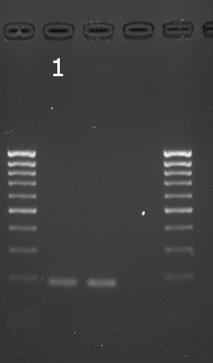

 | Volume of the marker loaded in the gel (µL) | 2
 | Weight of the DNA that corresponding to 200 bp marker band intensity (ng) | 4

 | Calculation for sample 1:
 | Weight of the amplicon in lane 1 (ng) | 8
 | Concentration of the amplicon in lane 1 (ng/µL) | 4
 | Weight of the amplicon in lane 1 in 45 µL reaction (µg) | 0.18
 | Size of the amplicon in lane 1 (bp) | 159
 | Weight of the amplicon in sample 1 (pmol) | 1.715 | NOT enough for pyrosequencing run

Example 2 & 3
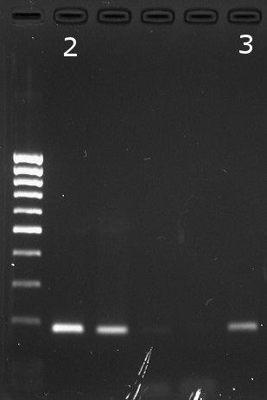
 | Volume of the marker loaded in the gel (µL) | 2.5
 | Weight of the DNA that corresponding to 200bp marker band intensity (ng) | 5

 | Calculation for sample 2:
 | Weight of the amplicon in lane 2 (ng) | 15
 | Concentration of the amplicon in lane 2 (ng/µL) | 7.5
 | Weight of the amplicon in lane 2 in 30 µL reaction (µg) | 0.225
 | Size of the amplicon in lane 2 (bp) | 159
 | Weight of the amplicon in sample 2 (pmol) | 2.144 | enough for pyrosequencing run

 | Calculation for sample 3:
 | Weight of the amplicon in lane 3 (ng) | 5
 | Concentration of the amplicon in lane 3 (ng/µL) | 2.5
 | Weight of the amplicon in lane 3 in 50 µL reaction (µg) | 0.125
 | Size of the amplicon in lane 3 (bp) | 159
 | Weight of the amplicon in sample 3 (pmol) | 1.191 | NOT enough for pyrosequencing run

