Sample submission form
 |  |  |  |  |  | Sample submission for PM Core (Proteomics) |  |  |  |  |  | Please paste the Gel-photo below with indication to each band. (for in gel digestion or Co-IP-LC-MS/MS) | e.g. | 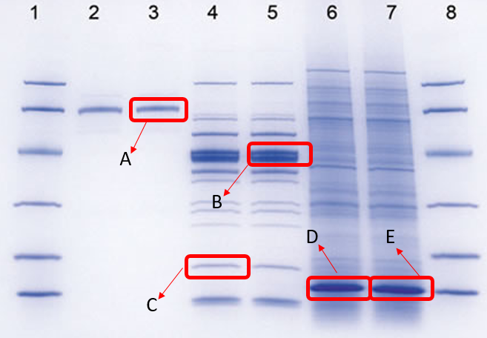
 | Proteomics and Metabolomics Core
PI Name: |  |  |  |  |  | Department:
User Name: |  |  |  |  |  | iLab Service ID:
User Contact No.: |  |  |  |  |  | Sample Submission Date:
Example
a | PMCore-01 | e.g. HeLa cells | NA | 200 | NA | e.g. RIPA in Phosphatase inhibitors | 2 millions | NA | NA | e.g. Human
b | PMCore-02 | e.g. proteins in solution | 30 | 10 | 300 | e.g. 50mM Ammonium bicarbonate (ABC) /2M Urea in ABC | NA | NA | NA | e.g. Rat
Gel Photo 1
c | PMCore-03 | e.g. Gel | 5 | 1 | 5 | NA | NA | NA | 5 | e.g. Human | Gel image are compulsory.
User Input (*input "NA" if the column is not applicable)
No. | Sample Name (must NOT be numbers only) (reserved characters e.g. &*^% NOT allowed) | Sample Type | Sample Concentration (μg/μL) | Sample Volume/Lysate volume (μL) | Total Yield (μg) | Sample Buffer | Cell No. (If cell lysates are submitted) | Tissue Weight (mg) (If tissues are submitted) | For Gel, Protein loaded amount (ug) | Species | Remarks
1
2
3
4
5
6
7
8
9
10
11
Gel Photo 2
12
13
14
15
16
17
18
19
20
 |  |  |  |  |  |  |  |  |  |  | (2021115 version06)

